Readme
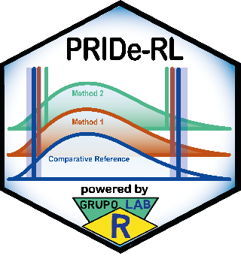 | Performance Ranking by Index of Deviation of Reference Limits (PRIDe-RL)
 | Readme — how to use the tool and navigate the worksheets

Tool information and attribution
Tool |  |  | Performance Ranking by Index of Deviation of Reference Limits (PRIDe-RL)
Version |  |  | 1.0.0
Release date |  |  | 13 Feb 2025
Author |  |  | Alan Carvalho Dias
ORCID |  |  | https://orcid.org/0000-0002-7159-4593
Corresponding e-mail |  |  | alancdias@hotmail.com
Website |  |  | https://grupolabr.com
Repository / DOI |  |  | https://github.com/labrgrupo/Supplementary_Material_CCA_LabRI
System requirements |  |  | Microsoft Excel 365 or Excel 2021 (or later). The worksheet uses dynamic array functions (LET, SORT, SEQUENCE, TEXTJOIN, UNICHAR) that are unavailable in Excel 2016/2019 and may not behave identically in LibreOffice Calc.

1. What this tool does
PRIDe-RL (Performance Ranking by Index of Deviation of Reference Limits) compares indirect methods for estimating reference limits — TML, refineR, TMC, reflimR and LabRI — against a comparative reference interval. For each analyte, every estimated lower (LRL) and upper (URL) reference limit is expressed as a deviation in units of the permissible difference (pD). These deviations are combined into four performance dimensions and a single PRIDe-RL score (0 to 1, higher is better), which is used to rank the methods.

2. Quick start — step by step
Step 1 — Open 'Input Group 1' (real-world datasets) and/or 'Input Group 2' (simulated test cases). Both worksheets have the same structure.
Step 2 — In cell G5, select the nominal coverage probability (0.90 or 0.80) from the drop-down list. The significance level (α), the quantile order and the standard normal critical value z (G6:G8) update automatically.
Step 3 — From row 12 onwards, enter one analyte (or test case) per row: Test (B), Unit (C), sample size n (D), number of decimal places (E) and the comparative reference limits LRL and URL (F:G).
Step 4 — Enter the LRL and URL estimated by each method: TML (V:W), refineR (Z:AA), TMC (AD:AE), reflimR (AH:AI) and LabRI (AL:AM).
Step 5 — Columns H:T are calculated automatically (CVE, pCVA, median, pSDA, slope, intercept, pD and equivalence interval EI for each limit). The 1/0 columns next to each method indicate whether the estimate lies within the EI (1 = yes, 0 = no).
Step 6 — Review the 'Heatmap' worksheet for a visual overview of the deviations, then the 'PRIDE-RL ranking' worksheet for the final scores and ranks.
Tip — Leave unused cells empty (do not type 0). If the LRL is unknown or 0, the tool sets it at 15% of the URL for the CVE calculation. Abbreviations are explained below each input table.

3. Colour code
Light blue cells |  | User inputs — type or paste your data here.
Light yellow cells |  | Calculated automatically — do not overwrite (formulas).
Heatmap: green / yellow |  | Deviation within the equivalence interval (|d| ≤ 1 pD); yellow = close to its edge.
Heatmap: orange / red |  | Deviation outside the equivalence interval (|d| > 1 pD).

4. Worksheet guide — what each tab does (click a tab name to open it)
Worksheet |  | What it does |  | What you do there
Readme |  | This guide: purpose of the tool, step-by-step instructions, colour code, worksheet guide and interpretation of the results. |  | Read first.
Input Group 1 |  | Data entry and calculations for real-world datasets (12 analytes: AMY, Ca, LDH, TSH, FT4, ALT, GGT, RBC, Hb, WBC, LYM, PLT; rows 12–23). Derives CVE, pCVA, pSDA and the permissible difference (pD) for each reference limit, builds the equivalence interval (EI = RL ± pD), flags whether each method's estimate falls within the EI, and shows a preliminary ranking by % of limits within the EI (columns AQ:AV). |  | Choose the coverage probability (G5) and enter/edit the light blue input cells: analyte data, comparative reference limits and each method's estimates.
Input Group 2 |  | Same structure and calculations as Input Group 1, applied to simulated test cases (15 rows: test cases evaluated at different sample sizes; rows 12–26). |  | Same as Input Group 1.
Heatmap |  | Deviation of every method for every reference limit in pD units: d = (estimate − comparative RL) / pD. One row per limit (LRL and URL); rows 6–29 = Group 1, rows 30–59 = Group 2. Colours give a visual gestalt of method performance (|d| ≤ 1 = within the EI). Includes a legend at the bottom. |  | Read only — fed automatically by the input worksheets.
PRIDE-RL ranking |  | Calculates the four performance dimensions (d1 Conformity, d2 Proximity, d3 Tail behaviour, d4 Severity), the PRIDe-RL score and the rank of each method for Group 1 (rows 5–12), Group 2 (rows 14–21) and globally, Group 1 + Group 2 (rows 23–30). 'Ord (tie-break)' gives a unique order when scores tie. |  | Read only — check the Rank column (1 = best) and the PRIDE-RL score.
PRIDe-RL scoring framework |  | Illustrated explanation (figures) of the scoring framework and of each of the four dimensions d1–d4. |  | Read to understand how the score is built.
References |  | Bibliography supporting the method (with links) and tool information: version, release date, author, ORCID, contact, repository/DOI and system requirements. |  | Consult and cite.

5. How the PRIDe-RL score is calculated
Deviation of each limit: d = (method estimate − comparative RL) / pD, where pD = z × pSDA at that limit (z depends on the coverage probability chosen in G5).
d1 — Conformity = proportion of reference limits with |d| ≤ 1 (estimate within the equivalence interval).
d2 — Proximity = 1 / (1 + mean |d|): rewards estimates that are close to the comparative limit.
d3 — Tail behaviour = 1 / (1 + max(0, P90(|d|) − 1)): penalises methods whose 10% largest deviations exceed the EI.
d4 — Severity = 1 / (1 + 5 × n(|d| > 2) / N): penalises severe deviations (more than twice the permissible difference).
PRIDe-RL score = (n_conf + (d2 × d3 × d4)^(1/3)) / (N + 1), where n_conf is the number of limits with |d| ≤ 1 and N the number of limits evaluated. Conformity is decisive: because n_conf is an integer and the geometric mean of d2–d4 lies between 0 and 1, the other dimensions can never outweigh one additional conforming limit — they only break ties between methods with the same number of conforming limits. The score ranges from 0 to 1 (1 = all limits conforming and d2 = d3 = d4 = 1).

6. Interpreting the results
|d| ≤ 1: estimate equivalent to the comparative reference limit. 1 < |d| ≤ 2: outside the EI (moderate deviation). |d| > 2: severe deviation.
Rank 1 is the best-performing method. Compare the Group 1, Group 2 and Global tables to check whether the ranking is consistent between real-world and simulated data.
Use the Heatmap to identify which analytes or limits (LRL vs URL) drive a method's lower score.

7. Navigation tips and requirements
Navigate with the hyperlinks in Section 4, by clicking the tabs at the bottom of the window, or with Ctrl + Page Down / Ctrl + Page Up.
Ranges are fixed: Group 1 uses rows 12–23 and Group 2 uses rows 12–26 of the input worksheets. If you add analytes beyond these rows, the Heatmap and PRIDE-RL ranking ranges must be extended accordingly.
Requirements: Microsoft Excel 365 or Excel 2021 (or later). The workbook uses dynamic array functions (LET, SORT, SEQUENCE, TEXTJOIN, UNICHAR) that are not available in Excel 2016/2019 and may not behave identically in LibreOffice Calc.

PRIDe-RL scoring framework
 | Performance Ranking by Index of Deviation of Reference Limits (PRIDE-RL)
 | PRIDe-RL scoring framework

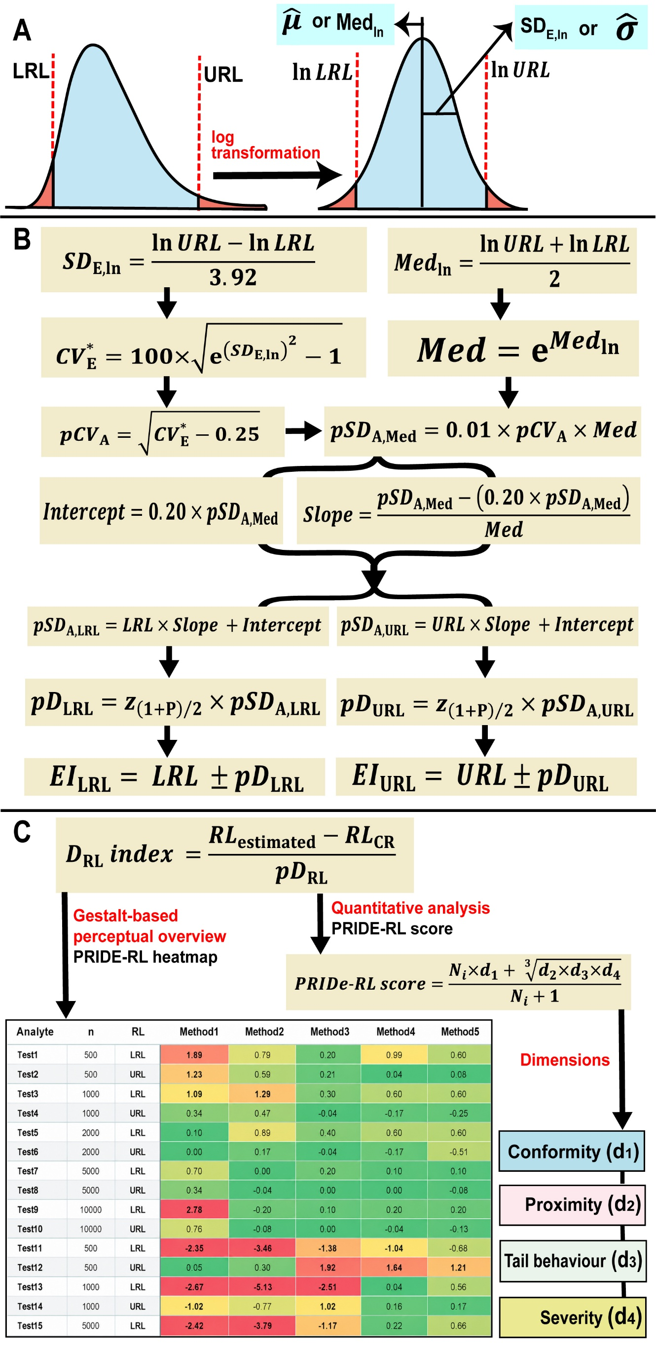

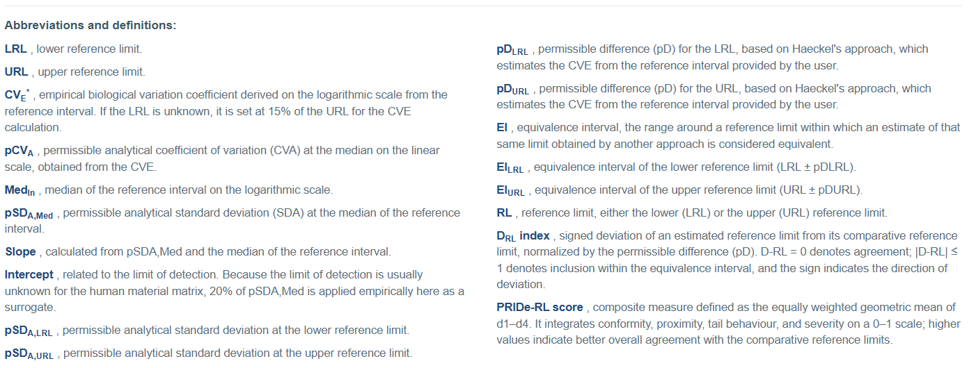

d1 — Conformity
$$d_{1,i}=\frac{\sum_{j=1}^{N_{i}}{1\left(\left|D_{RL,ij} index\right|≤1\right)}}{N_{i}}$$

d2 — Proximity
$$d_{2,i}=\frac{1}{1+\frac{\sum_{j=1}^{N_{i}}{\left|D_{RL,ij} index\right|}}{N_{i}}}$$

d3 — Tail behaviour
$$d_{3,i}=\frac{1}{1+max\left[\begin{matrix}0, & P_{90,i}\left(\left|D_{RL,ij} index\right|\right)\end{matrix}−1\right]}$$

d4 — Severity
$$d_{4,i}=\frac{1}{1+5×\left[\frac{\sum_{j=1}^{N_{i}}{1\left(\left|D_{RL,ij}index\right|>2\right)}}{N_{i}}\right]}$$

